styles
Style Name | Format | Style Type | All Styles | No Clusters | No Edges
node |  | node | yes | yes | yes
edge |  | edge | yes | yes | no
subgraph-open |  | subgraph-open | yes | no | yes | 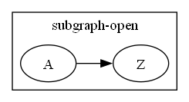
subgraph-close |  | subgraph-close | yes | no | yes
keyword |  | keyword | yes | yes | yes
native |  | native | yes | yes | yes
Border 0 Begin | penwidth=2 fontname=Arial | subgraph-open | yes | no | yes | 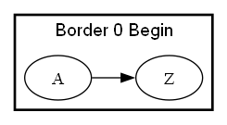
Border 0 End |  | subgraph-close | yes | no | yes
Border 1 Begin | colorscheme=blues9 fillcolor=2 fontname=Arial fontsize=12 style=filled color=9 penwidth=1 | subgraph-open | yes | no | yes | 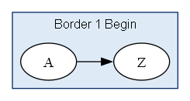
Border 1 End |  | subgraph-close | yes | no | yes
Border 2 Begin | colorscheme=greens9 fillcolor=2 fontname=Arial fontsize=12 style=filled color=9 penwidth=1 | subgraph-open | yes | no | yes | 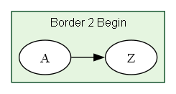
Border 2 End |  | subgraph-close | yes | no | yes
Border 3 Begin | colorscheme=greys9 fillcolor=2 fontname=Arial fontsize=12 style=filled color=9 penwidth=1 | subgraph-open | yes | no | yes | 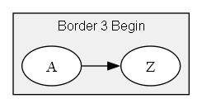
Border 3 End |  | subgraph-close | yes | no | yes
Border 4 Begin | colorscheme=oranges9 fillcolor=2 fontname=Arial fontsize=12 style=filled color=9 penwidth=1 | subgraph-open | yes | no | yes | 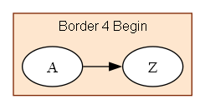
Border 4 End |  | subgraph-close | yes | no | yes
Border 5 Begin | colorscheme=purples9 fillcolor=2 fontname=Arial fontsize=12 style=filled color=9 penwidth=1 | subgraph-open | yes | no | yes | 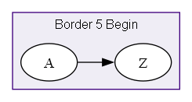
Border 5 End |  | subgraph-close | yes | no | yes
Border 6 Begin | colorscheme=reds9 fillcolor=2 fontname=Arial fontsize=12 style=filled color=9 penwidth=1 | subgraph-open | yes | no | yes | 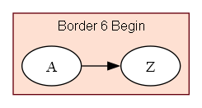
Border 6 End |  | subgraph-close | yes | no | yes
Flow | fontname=Arial fontsize=10 arrowsize=0.5 | edge | yes | yes | no
Flow - Dashed | fontname=Arial fontsize=10 style=dashed arrowsize=0.5 | edge | yes | yes | no
Flow - Dotted | fontname=Arial fontsize=10 style=dotted arrowsize=0.5 | edge | yes | yes | no
Flow - Negative | fontname=Arial fontsize=10 color=red fontcolor=red arrowsize=0.5 | edge | yes | yes | no
Flow - Positive | fontname=Arial fontsize=10 color=darkgreen fontcolor=darkgreen arrowsize=0.5 | edge | yes | yes | no
Invisible Edge | style=invis color=Invis | edge | yes | yes | no
Component | shape=component height=0.75 width=1.25 fixedsize=True fillcolor=white fontname=Arial fontsize=10 style=filled | node | yes | yes | yes
Decision | shape=diamond height=0.75 width=1.25 fixedsize=True fillcolor=white fontname=Arial fontsize=10 style=filled | node | yes | yes | yes
Event | shape=rectangle height=0.375 width=1.25 fixedsize=True fillcolor=white fontname=Arial fontsize=10 style="rounded,filled" | node | yes | yes | yes
Extract | shape=triangle height=0.75 width=1.25 fixedsize=True fillcolor=white fontname=Arial fontsize=10 style=filled | node | yes | yes | yes
File | shape=note height=0.75 width=0.5 fixedsize=True fillcolor=white fontname=Arial fontsize=10 style=filled | node | yes | yes | yes
Folder | shape=folder height=0.5 width=0.75 fixedsize=True fillcolor=white fontname=Arial fontsize=10 style=filled | node | yes | yes | yes
Input | shape=parallelogram height=0.75 width=1.25 fixedsize=True fillcolor=white fontname=Arial fontsize=10 style=filled | node | yes | yes | yes
Invisible Point | shape=point fillcolor=Invis color=Invis style=filled height=0 width=0 fixedsize=true penwidth=0 | node | yes | yes | yes
Manual Operation | shape=invtrapezium height=0.75 width=1.25 fixedsize=True fillcolor=white fontname=Arial fontsize=10 style=filled | node | yes | yes | yes
Merge | shape=invtriangle height=0.75 width=1.25 fixedsize=True fillcolor=white fontname=Arial fontsize=10 style=filled | node | yes | yes | yes
Off Page Reference | shape=invhouse height=0.625 width=0.625 fixedsize=True fillcolor=white fontname=Arial fontsize=10 style=filled | node | yes | yes | yes
On Page Reference | shape=circle height=0.625 width=0.625 fixedsize=True fillcolor=white fontname=Arial fontsize=10 style=filled | node | yes | yes | yes
Output | shape=parallelogram height=0.75 width=1.25 fixedsize=True fillcolor=white fontname=Arial fontsize=10 style=filled | node | yes | yes | yes
Point | shape=point | node | yes | yes | yes
Predefined Process | shape=rectangle height=0.75 width=1.25 fixedsize=True fillcolor=white fontname=Arial fontsize=10 style="diagonals,filled" | node | yes | yes | yes
Preparation | shape=hexagon height=0.75 width=1.25 fixedsize=True fillcolor=white fontname=Arial fontsize=10 style=filled | node | yes | yes | yes
Process | shape=rect height=0.75 width=1.25 fixedsize=True fillcolor=white fontname=Arial fontsize=10 style=filled | node | yes | yes | yes
Stop | shape=octagon height=0.75 width=0.75 fixedsize=True color=Red fillcolor=white fontname=Arial fontsize=10 style=filled | node | yes | yes | yes
Small Circle | shape=circle height=0.25 fixedsize=true style="filled" penwidth=1 fontname=Arial fontsize=6 | node | yes | yes | yes
Small Square | shape=square height=0.25 width=0.25 fixedsize=True style=filled penwidth=1 fontname=Arial fontsize=6 | node | yes | yes | yes
Small Triangle | shape=triangle height=0.25 width=0.25 fixedsize=True style=filled penwidth=1 fontname=Arial fontsize=6 | node | yes | yes | yes
Medium Circle | shape=circle height=0.5 fixedsize=True style=filled penwidth=1 fontname=Arial fontsize=8 | node | yes | yes | yes
Medium Square | shape=square height=0.5 width=0.5 fixedsize=True style=filled penwidth=1 fontname=Arial fontsize=8 | node | yes | yes | yes
Medium Triangle | shape=triangle height=0.5 width=0.5 fixedsize=True style=filled penwidth=1 fontname=Arial fontsize=8 | node | yes | yes | yes
Large Circle | shape=circle height=0.75 fixedsize=True style=filled penwidth=1 fontname=Arial fontsize=10 | node | yes | yes | yes
Large Square | shape=square height=0.75 width=0.75 fixedsize=True style=filled penwidth=1 fontname=Arial fontsize=10 | node | yes | yes | yes
Large Triangle | shape=triangle height=0.75 width=0.75 fixedsize=True style=filled penwidth=1 fontname=Arial fontsize=10 | node | yes | yes | yes

